Foglio1
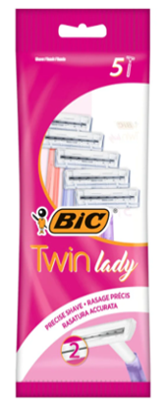
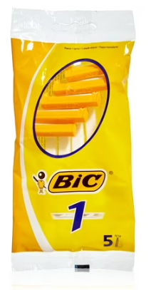
Article | Barcode | Description | price fob nj 3 weeks | Cases Available | Pcs / Case | Cases / pallet | Text
BIC00005 | 3086127500934 | BIC RASOI TWIN LADY SENS.CONF 5PZ | $$1.30 | 2676 | 20 | 99 | IT/GB/F/NL/D/E/P/DK/N/S/FIN/GR/RO/PL/HU
BIC00002 | 3086125705027 | BIC RASOI MONOLAMA 5PZ | $$0.78 | 491 | 40 | 64 | IT/GB/FR/NL/D/E/P/DK/N/FIN/GR/RU/RO/HU/

