Foglio1
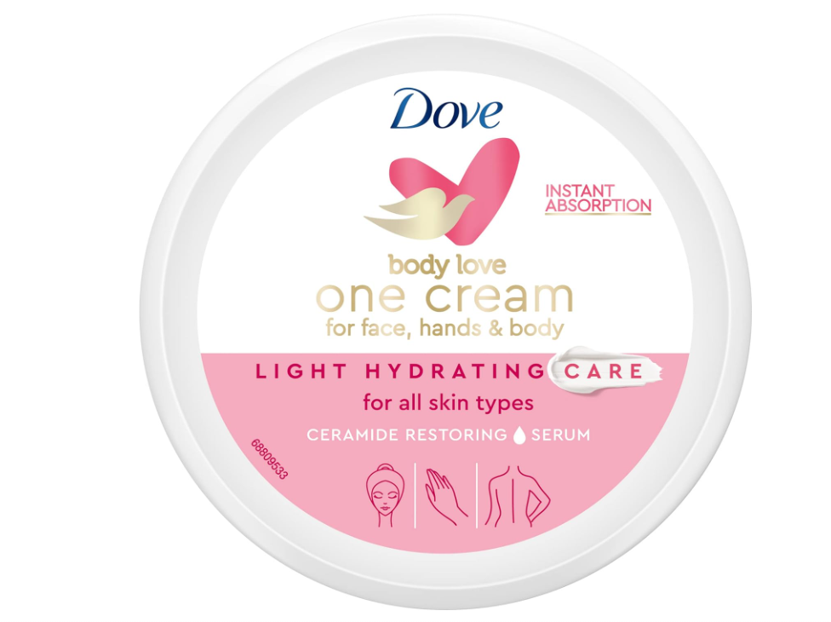
Article | Barcode | Description | EXW Unit Price | Cases Available | Pcs x Case | Cases x Layer | Cases x PL | Text
DVE00888 | 8720181172144 | DOVE CREMA 250ML LIGHT HYDRATING ROSA | $$2.95 | 996 | 6 | 16 | 304 | IT

