Dove Deo Stick
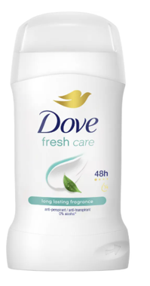
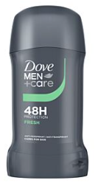
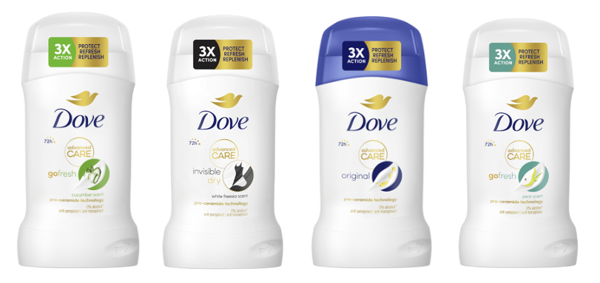
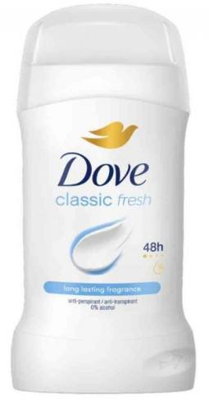
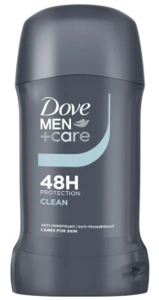
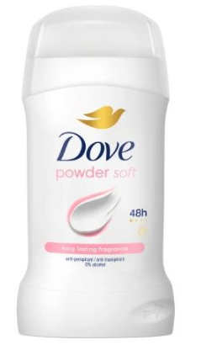
Sku | Barcode | Description | price fob nj 3weeks | Cases Available | Pcs / Case | Cases / Pallet | Cases / layer | Text
DVE01070 | 59099659 | DOVE DEO STICK 50ML CLASSIC | $$2.2 | 9599 | 6 | 80 | 560 | IT/BG/CZ/EE/FI/SE/UK/NO/PL/RO/MD/RS/ME
DVE00825 | 96125595 | DOVE DEO STICK 50ML MEN COOL FRESH | $$2.20 | 1221 | 6 | 80 | 560 | IT/D/A/CH/BE/FR/NL/DK/ES/FI/NO/SE/PT
DVE01076 | 59099680 | DOVE DEO STICK 50ML POWDER | $$2.2 | 4841 | 6 | 80 | 560 | IT/BG/DK/FI/LT/LV/RO/MD/PL/PT/RS/ME/NO
DVE01071 | 59099666 | DOVE DEO STICK 50ML FRESH | $$2.2 | > 10.000 | 6 | 80 | 560 | IT/D/A/CH/BG/CZ/FI/LT/LV/NO/PL/PT/RO/MD/
DVE00824 | 96081754 | DOVE DEO STICK 50ML MEN CLEAN COMFORT | $$2.2 | 2471 | 6 | 80 | 560 | IT/DK/FI/NO/SE/NL/PT

DVE01072 | 59099574 | DOVE DEO STICK 50ML ADV.CARE CETRIOLO | $$2.75 | > 5.000 | 6 | 80 | 560 | IT/A/DK/FI/NL/SE/NO
DVE01073 | 59099581 | DOVE DEO STICK 50ML ADV.CARE INVISIBLE DRY | $$2.75 | > 5.000 | 6 | 80 | 560 | IT/D/A/CH/BE/FR/NL/UK/IE/NO/PT/SE/DK
DVE01074 | 59099604 | DOVE DEO STICK 50ML ADV.CARE ORIGINAL | $$2.75 | > 5.000 | 6 | 80 | 560 | IT/D/A/CH/BE/FR/NL/FI/SE/UK/IE/PT/NO
DVE01075 | 59099628 | DOVE DEO STICK 50ML ADV.CARE PERA&ALOE | $$2.75 | > 5.000 | 6 | 80 | 560 | IT/HR/BA/BG/CZ/LT/LV/PL/RO/MD/RS/ME/SI

