Foglio1
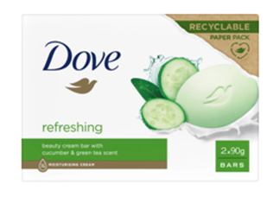
Sku | Ean Code | Description | price fob NJ 3 weeks | Cases Available | Pcs/Case | Cases / Layer | Cases/PL | Text
DVE01010 | 8720181481086 | DOVE SAP.90GRX2PZ NEW GO FRESH | $$1.95 | 1720 | 24 | 15 | 120 | IT/DE/AT/CH/UK/IE/FR/NL/DK/NO/FI/PT/

