FOB LA, CA
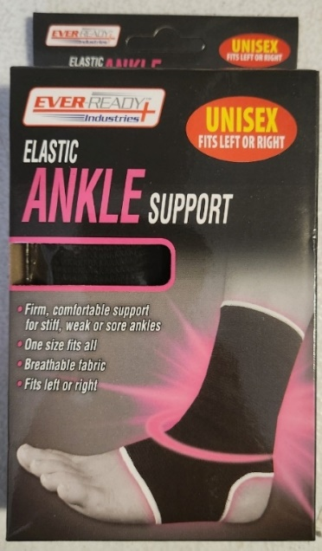
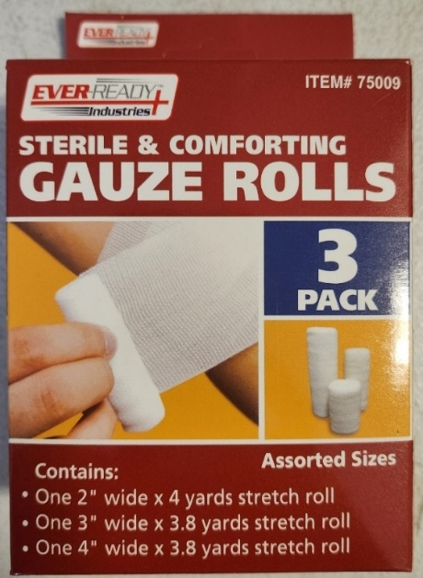
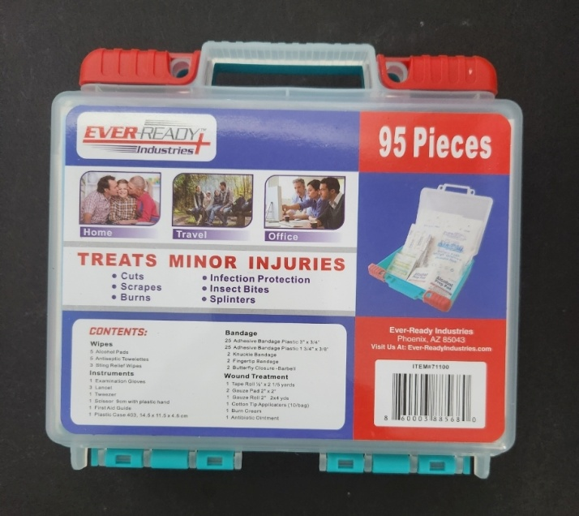
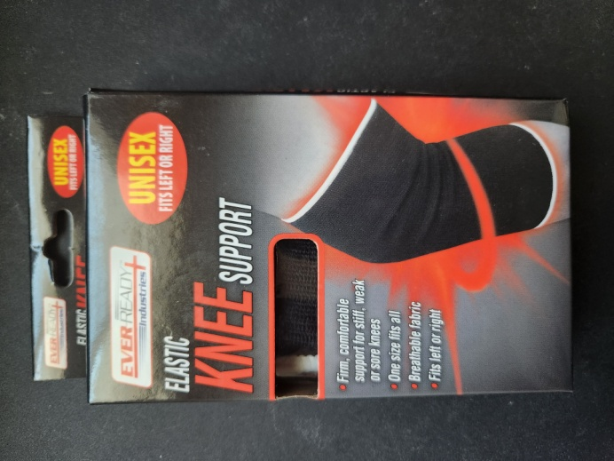
Item# | Description | Sku # | Case Pack | Total Pcs On Hand | Cases Available | Asking | Date Manufactured | Exp Date
75002 | Elastic Ankle Support | 8 60009 93702 4 | 4/24's (96pcs total) | 28,224 | 294 | $1.00 | 2025
75009 | Assorted Gauze Rolls 3 Pk | 8 60009 37002 0 | 36 | 47,016 | 1306 | $1.00 | 2025
75000 | Elastic Knee Support | 8 60009 93706 2 | 4/24's (96pcs total) | 21,408 | 223 | $1.00 | 2025
71100 | 95 Pc First Aid Kit | 8 60003 88568 0 | 4/12's (48pcs total) | 14,064 | 293 | $3.00 | 2025 | Jul-27

