Gillette
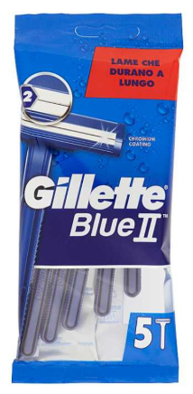
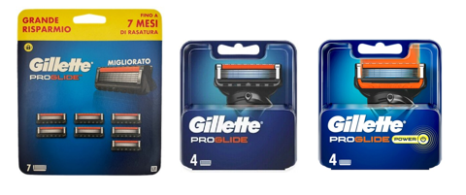
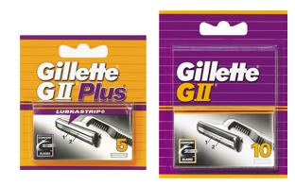
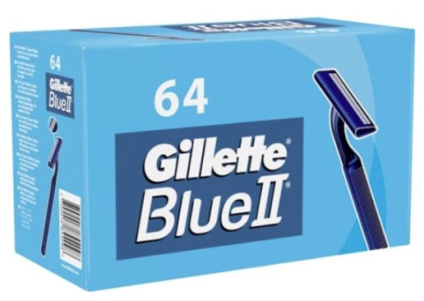

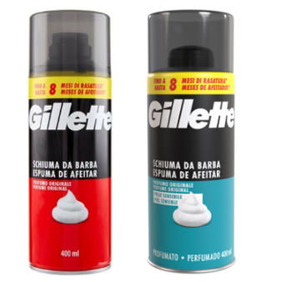

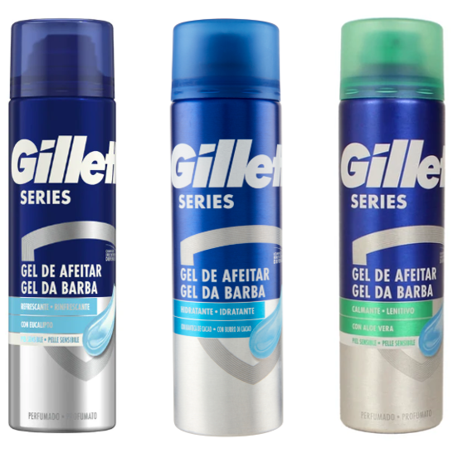
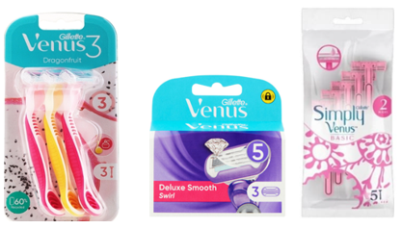
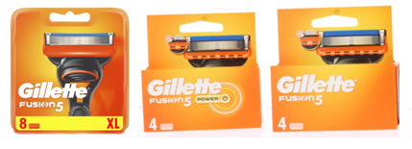
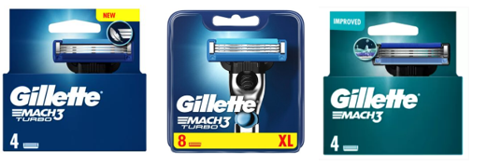
Article | Barcode | Description | price fob nj 3weeks | Cases Available | Pcs / Case | Cases / Layer | Cases / Pallet | Text
GLL00003 | 3014260201753 | GILLETTE BLUEII 5'S BLISTER | $$2 | 714 | 120 | 8 | 24 | IT/GB/FR/NL/GR/FI/DK/NO/FIN
GLL00204 | 7702018094714 | GILLETTE BLUII 4 SLALOM PLUS BLIST | $$2 | 120 | 120 | 8 | 24 | I/FR/NL/LU/AT/PT/ES
GLL00888 | 7702018844098 | GILLETTE BLUEII 64'S BOX | $$9.3 | 391 | 12 | 7 | 35 | IT/GB/FR/NL/ES/D/PT/FIN/S/DR

GLL00607 | 7702018417759 | GILLETTE EXCEL 10'S | $$12.50 | 500 | 10 | 35 | 350 | IT/GB/FR/NL/DE/ES/PT/DK/FI/SE/NO
GLL00238 | 3014260208943 | GILLETTE GII PLUS 5' | $$4.80 | 108 | 400 | 4 | 20 | IT/EU
GLL00936 | 3014260200039 | GILLETTE GII 10'S | $$6.5 | 119 | 200 | 7 | 35 | IT/DE/AT/PT/ES
GLL00851 | 7702018615674 | GILLETTE PROGLIDE TABLET 7'S | $$25.30 | 239 | 8 | 24 | 120 | IT
GLL00257 | 7702018263844 | GILLETTE(I)PROGLIDE MANUAL 4'S | $$17.5 | 52 | 200 | 7 | 14 | UK/IE/DK/FI/NO/SE
GLL00493 | 7702018263905 | GILLETTE(I)PROGLIDE POWER 4'S | $$18.80 | 64 | 200 | 4 | 16 | UK/IE/DK/FI/NO/SE

GLL00969 | 8006540765210 | GILLETTE GEL 200ML COOLING | $$3.15 | 372 | 6 | 49 | 392 | IT/ES/PT
GLL00970 | 8006540765135 | GILLETTE GEL 200ML IDRATANTE | $$31.5 | 392 | 6 | 49 | 392 | IT/ES/PT
GLL00971 | 8006540765852 | GILLETTE GEL 200ML SENSITIVE | $$3.15 | 392 | 6 | 49 | 392 | IT/ES/PT
GLL00965 | 8700216473460 | GILLETTE SCH.400ML CLASSIC | $$2.5 | 5489 | 6 | 31 | 248 | IT/PT/ES
GLL00966 | 8700216473439 | GILLETTE SCH.400ML PELLI SENSIBILI | $$2.5 | 4984 | 6 | 31 | 248 | IT/ES/PT

GLL00707 | 7702018495221 | GILLETTE SENSOR 3 RAZOR 3+2 U&G COMFORT | $$4.6 | 1109 | 6 | 31 | 124 | IT/ES/PT

GLL00963 | 7702018615001 | GILLETTE VENUS DRAGONFUIT USA&GETTA X 3 | $$3.25 | 429 | 32 | 7 | 49 | IT/ES/PT/CH/UA/RO/MD/GR/TR/BG/RS/AL/
GLL00956 | 8001090596666 | GILLETTE VENUS SWIRL 3'S | $$9.35 | 213 | 10 | 46 | 368 | IT/FR/NL/BE/LU/ES/PT
GLL00720 | 7702018482740 | GILLETTE VENUS2 SIMPLY BASIC 5'S | $$1.55 | 564 | 24 | 12 | 84 | IT/BA/ME/HR/FR/HU/MK/MD/PL/RO/RS/
GLL00967 | 7702018886463 | GILLETTE(I)VENUS COMFORTGLIDE BREEZE 8'S | $$20.85 | 199 | 40 | 10 | 60
GLL00202 | 3014260262709 | GILLETTE(I)VENUS 4'S | $$9.35 | 289 | 40 | 24 | 120 | EU/UK/SE/FI/DE/AT/CH/DK/HE
GLL00871 | 3014260280802 | GILLETTE(I)VENUS 8'S SMOOTH | $$17.48 | 450 | 60 | 4 | 24 | GB/IR/SE/D/CH/FI/AT/DK/NO

GLL00267 | 7702018851324 | GILLETTE(I)FUSION MANUAL 8'S | $$24.30 | 26 | 200 | 6 | 12 | UK/IE/SE/DK/NO/FI
GLL00086 | 7702018852475 | GILLETTE(I)FUSION POWER 4'S (GB) | $$16.53 | 1340 | 10 | 56 | 560 | UK/DK/FI/NO/SE/IE
GLL00711 | 7702018851294 | GILLETTE(I)FUSION 5 MANUAL 4'S | $$13.85 | 2097 | 20 | 56 | 560 | UK/IE/SE/FI/DK/NO
GLL00361 | 7702018263813 | GILLETTE(I)MACH3 TURBO 4'S (UK/200) | $$11.35 | 1397 | 10 | 56 | 560 | UK/IE/SE/FI/DK/NO
GLL00611 | 3014260274924 | GILLETTE(I)MACH3 TURBO 8'S | $$19.25 | 16 | 200 | 4 | 24 | UK/IE/SE/DK/NO/FI
GLL00362 | 7702018264230 | GILLETTE(I)MACH3 4'S (UK/200) | $$9.88 | 4555 | 10 | 56 | 560 | UK/IE/SE/FI/DK/NO

