j&j
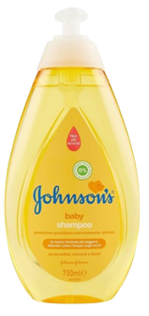
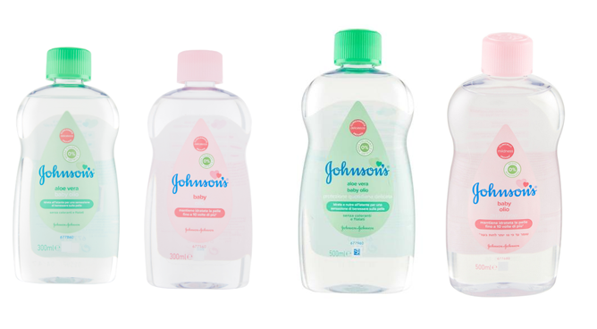
Sku | Barcode | Description | price fob nj 3weeks | Cases Available | Pcs / Case | Cases / Layer | Cases / Pallet | Text
JHN00012 | 3574660057706 | JOHNSON'S BABY OLIO 300ML CLASSICO | $$2.50 | 6066 | 12 | 19 | 95 | IT
JHN00059 | 3574660058833 | JOHNSON'S BABY OLIO 300ML ALOE | $$2.50 | 1435 | 12 | 19 | 95 | IT

JHN00053 | 3574660209853 | JOHNSON'S BABY OLIO 500ML ALOE VERA | $$3.50 | 1077 | 12 | 14 | 70 | IT
JHN00219 | 3574660058857 | JOHNSON'S BABY OLIO 500ML CLASSICO | $$3.50 | 1055 | 12 | 14 | 70 | IT/IL

JHN00211 | 3574669907729 | JOHNSON'S BABY SH.750ML CLASSICO NEW PUMP | $$3.50 | 4374 | 12 | 9 | 36 | IT

