NIVEA SG 750 ml
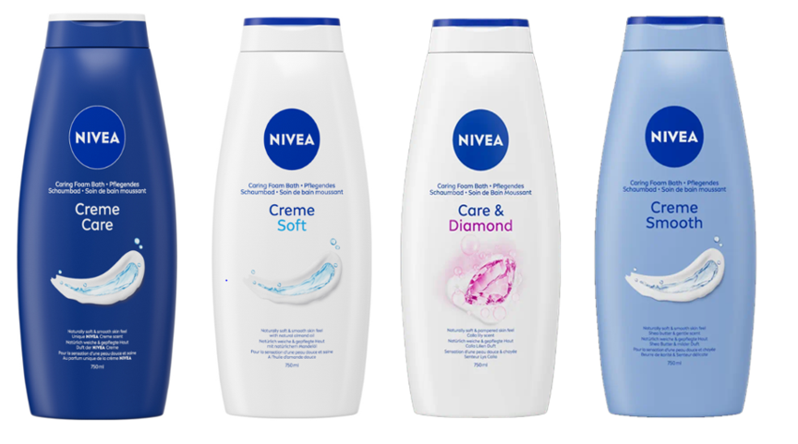
Sku | Barcode | Description | EXW Unit Price | Cases Available | Pcs / Case | Cases / pallet | Text
NVE01383 | 4006000095752 | NIVEA BAGNO 750ML NEW CREME CARE | $$3.65 | > 10.000 | 12 | 48 | IT/PT/GR/HE
NVE01382 | 4006000095776 | NIVEA BAGNO 750ML NEW CREME SOFT | $$3.65 | > 10.000 | 12 | 48 | IT/PT/GR/HE
NVE01385 | 4006000095790 | NIVEA BAGNO 750ML NEW DIAMOND TOUCH | $$3.65 | > 10.000 | 12 | 48 | IT/DE/PT/GR/HE
NVE01384 | 4006000095738 | NIVEA BAGNO 750ML NEW VELLUTANTE | $$3.65 | 704 | 12 | 48 | IT/PT/GR/HE

