Foglio1
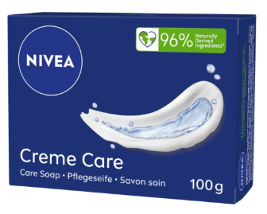
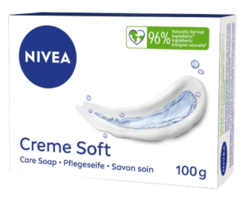
Sku | Barcode | Description | price fob nj 3weeks | Cases Available | Pcs / Case | Cases / Pallet | Text
NVE01164 | 4005900217936 | Nivea Bar Soap 100g Creme Care | $$1.10 | 1085 | 36 | 105 | EN/D/NL/FR/PT/PL/HR/SRB/SLO/CZ/HU/RO/SK/
NVE01165 | 4005808135318 | Nivea Bar Soap 100g Creme Soft | $$1.10 | 1595 | 36 | 105 | EN/D/NL/FR/PT/PL/HR/SRB/SLO/CZ/HU/RO/SK/

