Foglio1
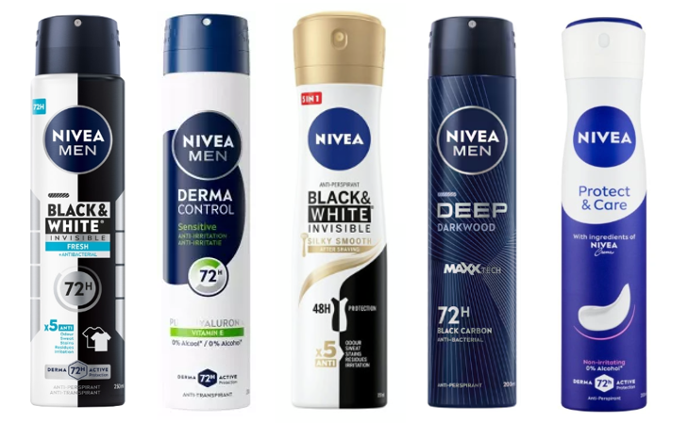
Article | Barcode | Description | price fob nj 3weeks | Cases Available | Pcs / Case | Cases / Layer | Cases / Pallet | Text
NVE01262 | 4005900386540 | NIVEA DEO SPRAY 200ML MEN INV. BL&WHITE ACTIVE | $$2.95 | 1520 | 12 | 32 | 128 | IT/GB/ES/PT/GR
NVE01447 | 4006000175430 | NIVEA DEO SPRAY 200ML MEN DERMA CONTROL SENSITIVE | $$2.95 | 1004 | 12 | 32 | 128 | IT/GB/ES/PT/GR
NVE01508 | 9005800282688 | NIVEA(I)DEO SPRAY 200ML BL&WHITE INV.CLEAR | $$2.95 | 1664 | 12 | 32 | 128 | AT/CZ/SK/HU/HR/BIH/SRB/MNE/SLO/RO/BG
NVE01509 | 9005800280684 | NIVEA(I)DEO SPRAY 200ML BL&WHITE INV.FRESH | $$2.95 | 1280 | 12 | 32 | 128 | AT/CZ/SK/HU/HR/BIH/SRB/MNE/SLO/RO/BG
NVE01510 | 9005800301396 | NIVEA(I)DEO SPRAY 200ML BL&WHITE INV.SILKY SMOOTH | $$2.95 | 1486 | 12 | 32 | 128 | AT/CZ/SK/HU/HR/BIH/SRB/MNE/SLO/RO/BG
NVE01512 | 9005800280721 | NIVEA(I)DEO SPRAY 200ML MEN BL&WHITE FRESH | $$2.95 | 1024 | 12 | 32 | 128 | AT/CZ/SK/HU/HR/BIH/SRB/MNE/SLO/RO/BG
NVE01513 | 9005800282695 | NIVEA(I)DEO SPRAY 200ML MEN BL&WHITE INV | $$2.95 | 1022 | 12 | 32 | 128 | AT/CZ/SK/HU/HR/BIH/SRB/MNE/SLO/RO/BG
NVE01514 | 9005800299082 | NIVEA(I)DEO SPRAY 200ML MEN DEEP | $$2.95 | 931 | 12 | 32 | 128 | PL/CZ/SK/HU/HR/BIH/SRB/MNE/RO/BG/SLO
NVE01515 | 9005800282657 | NIVEA(I)DEO SPRAY 200ML MEN FRESH ACTIVE | $$2.95 | 896 | 12 | 32 | 128 | PL/CZ/SK/HU/HR/BIH/SRB/MNE/RO/BG/SLO
NVE01348 | 5900017076904 | NIVEA(I)DEO SPRAY 200ML MEN PROTECT&CARE | $$2.95 | 636 | 12 | 32 | 128 | PL/CZ/SK/HU/HR/BIH/SRB/MNE/RO/BG/UA
NVE01511 | 9005800384658 | NIVEA(I)DEO SPRAY 200ML PEARL&BEAUTY | $$2.95 | 1260 | 12 | 32 | 128 | PL/CZ/SK/HU/HR/BIH/SRB/MNE/RO/BG/UA

