listing
Item Image | Brand | Item UPC | Item Description | Material cluster | Batch | Expiry Date | Months to Expiry | Total Available Stock Qty (pcs.) | best wholesale price | our price | Length PC | Width PC | Height PC | Gross PC | Net PC | Unit PC | EAN SH | Length SH | Width SH | Height SH | Weight SH | Unit SH | EAN CAR | Length CAR | Width CAR | Height CAR | Weight CAR | Unit KAR | EAN PAL | Height PAL | Weight PAL | Unit PAL | EAN PF6 | Height PF6 | Weight PF6 | Unit PF6 | PC/SH | PC/CAR | CAR/LAY | LAY/PAL | CAR/PAL | CAR/LA6 | LA6/PF6 | CAR/PF6
 | Coppertone | 72140039936 | Coppertone Every Tone Face SPF 60+ Hydrate UV Defense 1.7 oz | 01 Standard Product | 50740857 | 2027-01-31 | 8 | 15,624 | $10.79 | $6.50 | 2.362 | 1.575 | 5.512 | 0.220 | 0.121 | LBS | 04005805492247 | 4.843 | 2.362 | 5.512 | 0.661 | LBS | 04005805492254 | 10.276 | 5.551 | 6.535 | 3.042 | LBS |  | 0.000 | 0.000 |  | 04005805494371 | 45.748 | 660.185 | LBS | 3.000 | 12.000 | 0.000 | 0.000 | 0.000 | 31.000 | 7.000 | 217.000
 |  | 72140039936 | Coppertone Every Tone Face SPF 60+ Hydrate UV Defense 1.7 oz | 01 Standard Product | 50750857 | 2027-01-31 | 8 | 15,912 | $10.79 | $6.50 | 2.362 | 1.575 | 5.512 | 0.220 | 0.121 | LBS | 04005805492247 | 4.843 | 2.362 | 5.512 | 0.661 | LBS | 04005805492254 | 10.276 | 5.551 | 6.535 | 3.042 | LBS |  | 0.000 | 0.000 |  | 04005805494371 | 45.748 | 660.185 | LBS | 3.000 | 12.000 | 0.000 | 0.000 | 0.000 | 31.000 | 7.000 | 217.000
 |  | 72140039936 | Coppertone Every Tone Face SPF 60+ Hydrate UV Defense 1.7 oz | 01 Standard Product | 50760857 | 2027-01-31 | 8 | 5,220 | $10.79 | $6.50 | 2.362 | 1.575 | 5.512 | 0.220 | 0.121 | LBS | 04005805492247 | 4.843 | 2.362 | 5.512 | 0.661 | LBS | 04005805492254 | 10.276 | 5.551 | 6.535 | 3.042 | LBS |  | 0.000 | 0.000 |  | 04005805494371 | 45.748 | 660.185 | LBS | 3.000 | 12.000 | 0.000 | 0.000 | 0.000 | 31.000 | 7.000 | 217.000
 |  | 72140039936 | Coppertone Every Tone Face SPF 60+ Hydrate UV Defense 1.7 oz | 01 Standard Product | 50770957 | 2027-01-31 | 8 | 7,812 | $10.79 | $6.50 | 2.362 | 1.575 | 5.512 | 0.220 | 0.121 | LBS | 04005805492247 | 4.843 | 2.362 | 5.512 | 0.661 | LBS | 04005805492254 | 10.276 | 5.551 | 6.535 | 3.042 | LBS |  | 0.000 | 0.000 |  | 04005805494371 | 45.748 | 660.185 | LBS | 3.000 | 12.000 | 0.000 | 0.000 | 0.000 | 31.000 | 7.000 | 217.000
 |  | 72140039936 | Coppertone Every Tone Face SPF 60+ Hydrate UV Defense 1.7 oz | 01 Standard Product | 51321057 | 2027-03-21 | 9 | 42,000 | $10.79 | $6.50 | 2.362 | 1.575 | 5.512 | 0.220 | 0.121 | LBS | 04005805492247 | 4.843 | 2.362 | 5.512 | 0.661 | LBS | 04005805492254 | 10.276 | 5.551 | 6.535 | 3.042 | LBS |  | 0.000 | 0.000 |  | 04005805494371 | 45.748 | 660.185 | LBS | 3.000 | 12.000 | 0.000 | 0.000 | 0.000 | 31.000 | 7.000 | 217.000
 |  | 72140039936 | Coppertone Every Tone Face SPF 60+ Hydrate UV Defense 1.7 oz | 01 Standard Product | 51331057 | 2027-03-21 | 9 | 29,000 | $10.79 | $6.50 | 2.362 | 1.575 | 5.512 | 0.220 | 0.121 | LBS | 04005805492247 | 4.843 | 2.362 | 5.512 | 0.661 | LBS | 04005805492254 | 10.276 | 5.551 | 6.535 | 3.042 | LBS |  | 0.000 | 0.000 |  | 04005805494371 | 45.748 | 660.185 | LBS | 3.000 | 12.000 | 0.000 | 0.000 | 0.000 | 31.000 | 7.000 | 217.000
 |  | 72140039936 | Coppertone Every Tone Face SPF 60+ Hydrate UV Defense 1.7 oz | 01 Standard Product | 51341057 | 2027-03-21 | 9 | 14,940 | $10.79 | $6.50 | 2.362 | 1.575 | 5.512 | 0.220 | 0.121 | LBS | 04005805492247 | 4.843 | 2.362 | 5.512 | 0.661 | LBS | 04005805492254 | 10.276 | 5.551 | 6.535 | 3.042 | LBS |  | 0.000 | 0.000 |  | 04005805494371 | 45.748 | 660.185 | LBS | 3.000 | 12.000 | 0.000 | 0.000 | 0.000 | 31.000 | 7.000 | 217.000
 | Coppertone | 72140039912 | Coppertone Every Tone Face SPF 60+ Age UV Defense 1.7 oz | 01 Standard Product | 50450757 | 2027-01-17 | 7 | 18,564 | $10.79 | $6.50 | 2.362 | 1.575 | 5.512 | 0.220 | 0.110 | LBS | 04005805492087 | 4.843 | 2.362 | 5.512 | 0.661 | LBS | 04005805492094 | 10.276 | 5.551 | 6.535 | 3.042 | LBS |  | 0.000 | 0.000 |  | 04005805494395 | 45.748 | 660.185 | LBS | 3.000 | 12.000 | 0.000 | 0.000 | 0.000 | 31.000 | 7.000 | 217.000
 |  | 72140039912 | Coppertone Every Tone Face SPF 60+ Age UV Defense 1.7 oz | 01 Standard Product | 50810857 | 2027-01-07 | 7 | 16,764 | $10.79 | $6.50 | 2.362 | 1.575 | 5.512 | 0.220 | 0.110 | LBS | 04005805492087 | 4.843 | 2.362 | 5.512 | 0.661 | LBS | 04005805492094 | 10.276 | 5.551 | 6.535 | 3.042 | LBS |  | 0.000 | 0.000 |  | 04005805494395 | 45.748 | 660.185 | LBS | 3.000 | 12.000 | 0.000 | 0.000 | 0.000 | 31.000 | 7.000 | 217.000
 |  | 72140039912 | Coppertone Every Tone Face SPF 60+ Age UV Defense 1.7 oz | 01 Standard Product | 50840857 | 2027-01-07 | 7 | 20,520 | $10.79 | $6.50 | 2.362 | 1.575 | 5.512 | 0.220 | 0.110 | LBS | 04005805492087 | 4.843 | 2.362 | 5.512 | 0.661 | LBS | 04005805492094 | 10.276 | 5.551 | 6.535 | 3.042 | LBS |  | 0.000 | 0.000 |  | 04005805494395 | 45.748 | 660.185 | LBS | 3.000 | 12.000 | 0.000 | 0.000 | 0.000 | 31.000 | 7.000 | 217.000
 |  | 72140039912 | Coppertone Every Tone Face SPF 60+ Age UV Defense 1.7 oz | 01 Standard Product | 50850857 | 2027-01-07 | 7 | 33,684 | $10.79 | $6.50 | 2.362 | 1.575 | 5.512 | 0.220 | 0.110 | LBS | 04005805492087 | 4.843 | 2.362 | 5.512 | 0.661 | LBS | 04005805492094 | 10.276 | 5.551 | 6.535 | 3.042 | LBS |  | 0.000 | 0.000 |  | 04005805494395 | 45.748 | 660.185 | LBS | 3.000 | 12.000 | 0.000 | 0.000 | 0.000 | 31.000 | 7.000 | 217.000
 |  | 72140039912 | Coppertone Every Tone Face SPF 60+ Age UV Defense 1.7 oz | 01 Standard Product | 50860857 | 2027-01-07 | 7 | 15,624 | $10.79 | $6.50 | 2.362 | 1.575 | 5.512 | 0.220 | 0.110 | LBS | 04005805492087 | 4.843 | 2.362 | 5.512 | 0.661 | LBS | 04005805492094 | 10.276 | 5.551 | 6.535 | 3.042 | LBS |  | 0.000 | 0.000 |  | 04005805494395 | 45.748 | 660.185 | LBS | 3.000 | 12.000 | 0.000 | 0.000 | 0.000 | 31.000 | 7.000 | 217.000
 | Coppertone | 72140039929 | Coppertone Every Tone Face SPF 60+ Brightening UV Defense 1.7 oz | 01 Standard Product | 50930757 | 2027-02-28 | 8 | 9,000 | $10.79 | $6.50 | 2.362 | 1.575 | 5.512 | 0.220 | 0.121 | LBS | 04005805492100 | 4.843 | 2.362 | 5.512 | 0.661 | LBS | 04005805492117 | 10.276 | 5.551 | 6.535 | 3.042 | LBS |  | 0.000 | 0.000 |  | 04005805494388 | 45.748 | 660.185 | LBS | 3.000 | 12.000 | 0.000 | 0.000 | 0.000 | 31.000 | 7.000 | 217.000
 |  | 72140039929 | Coppertone Every Tone Face SPF 60+ Brightening UV Defense 1.7 oz | 01 Standard Product | 50940757 | 2027-02-28 | 8 | 26,000 | $10.79 | $6.50 | 2.362 | 1.575 | 5.512 | 0.220 | 0.121 | LBS | 04005805492100 | 4.843 | 2.362 | 5.512 | 0.661 | LBS | 04005805492117 | 10.276 | 5.551 | 6.535 | 3.042 | LBS |  | 0.000 | 0.000 |  | 04005805494388 | 45.748 | 660.185 | LBS | 3.000 | 12.000 | 0.000 | 0.000 | 0.000 | 31.000 | 7.000 | 217.000
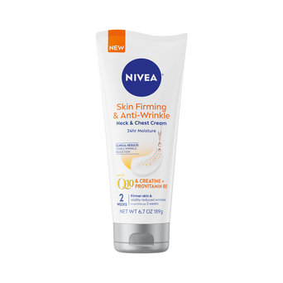 | NIVEA | 72140037611 | NIVEA Skin Firming & Anti-Wrinkle Neck & Chest Cream 6.7oz | 01 Standard Product | 41250707 | 2026-09-08 | 4 | 516 | $12.88 | $7.00 | 3.071 | 1.969 | 7.244 | 0.498 | 0.417 | LBS | 04005805440569 | 5.906 | 3.071 | 7.244 | 1.495 | LBS | 04005805440576 | 8.425 | 7.283 | 8.071 | 6.504 | LBS | 04005805455136 | 40.354 | 780.423 | LBS | 04005805445700 | 48.425 | 1,170.635 | LBS | 3.000 | 12.000 | 24.000 | 5.000 | 120.000 | 30.000 | 6.000 | 180.000
 |  | 72140037611 | NIVEA Skin Firming & Anti-Wrinkle Neck & Chest Cream 6.7oz | 01 Standard Product | 41510807 | 2026-09-25 | 5 | 2,892 | $12.88 | $7.00 | 3.071 | 1.969 | 7.244 | 0.498 | 0.417 | LBS | 04005805440569 | 5.906 | 3.071 | 7.244 | 1.495 | LBS | 04005805440576 | 8.425 | 7.283 | 8.071 | 6.504 | LBS | 04005805455136 | 40.354 | 780.423 | LBS | 04005805445700 | 48.425 | 1,170.635 | LBS | 3.000 | 12.000 | 24.000 | 5.000 | 120.000 | 30.000 | 6.000 | 180.000
 |  | 72140037611 | NIVEA Skin Firming & Anti-Wrinkle Neck & Chest Cream 6.7oz | 01 Standard Product | 41520807 | 2026-09-26 | 5 | 3,468 | $12.88 | $7.00 | 3.071 | 1.969 | 7.244 | 0.498 | 0.417 | LBS | 04005805440569 | 5.906 | 3.071 | 7.244 | 1.495 | LBS | 04005805440576 | 8.425 | 7.283 | 8.071 | 6.504 | LBS | 04005805455136 | 40.354 | 780.423 | LBS | 04005805445700 | 48.425 | 1,170.635 | LBS | 3.000 | 12.000 | 24.000 | 5.000 | 120.000 | 30.000 | 6.000 | 180.000
 |  | 72140037611 | NIVEA Skin Firming & Anti-Wrinkle Neck & Chest Cream 6.7oz | 01 Standard Product | 41521007 | 2026-09-26 | 5 | 4,416 | $12.88 | $7.00 | 3.071 | 1.969 | 7.244 | 0.498 | 0.417 | LBS | 04005805440569 | 5.906 | 3.071 | 7.244 | 1.495 | LBS | 04005805440576 | 8.425 | 7.283 | 8.071 | 6.504 | LBS | 04005805455136 | 40.354 | 780.423 | LBS | 04005805445700 | 48.425 | 1,170.635 | LBS | 3.000 | 12.000 | 24.000 | 5.000 | 120.000 | 30.000 | 6.000 | 180.000
 |  | 72140037611 | NIVEA Skin Firming & Anti-Wrinkle Neck & Chest Cream 6.7oz | 01 Standard Product | 41531007 | 2026-09-27 | 5 | 7,200 | $12.88 | $7.00 | 3.071 | 1.969 | 7.244 | 0.498 | 0.417 | LBS | 04005805440569 | 5.906 | 3.071 | 7.244 | 1.495 | LBS | 04005805440576 | 8.425 | 7.283 | 8.071 | 6.504 | LBS | 04005805455136 | 40.354 | 780.423 | LBS | 04005805445700 | 48.425 | 1,170.635 | LBS | 3.000 | 12.000 | 24.000 | 5.000 | 120.000 | 30.000 | 6.000 | 180.000
 |  | 72140037611 | NIVEA Skin Firming & Anti-Wrinkle Neck & Chest Cream 6.7oz | 01 Standard Product | 41540907 | 2026-09-28 | 5 | 4,356 | $12.88 | $7.00 | 3.071 | 1.969 | 7.244 | 0.498 | 0.417 | LBS | 04005805440569 | 5.906 | 3.071 | 7.244 | 1.495 | LBS | 04005805440576 | 8.425 | 7.283 | 8.071 | 6.504 | LBS | 04005805455136 | 40.354 | 780.423 | LBS | 04005805445700 | 48.425 | 1,170.635 | LBS | 3.000 | 12.000 | 24.000 | 5.000 | 120.000 | 30.000 | 6.000 | 180.000
 |  | 72140037611 | NIVEA Skin Firming & Anti-Wrinkle Neck & Chest Cream 6.7oz | 01 Standard Product | 41550907 | 2026-09-29 | 5 | 1,440 | $12.88 | $7.00 | 3.071 | 1.969 | 7.244 | 0.498 | 0.417 | LBS | 04005805440569 | 5.906 | 3.071 | 7.244 | 1.495 | LBS | 04005805440576 | 8.425 | 7.283 | 8.071 | 6.504 | LBS | 04005805455136 | 40.354 | 780.423 | LBS | 04005805445700 | 48.425 | 1,170.635 | LBS | 3.000 | 12.000 | 24.000 | 5.000 | 120.000 | 30.000 | 6.000 | 180.000
 |  | 72140037611 | NIVEA Skin Firming & Anti-Wrinkle Neck & Chest Cream 6.7oz | 01 Standard Product | 42511107 | 2026-12-04 | 7 | 2,880 | $12.88 | $7.00 | 3.071 | 1.969 | 7.244 | 0.498 | 0.417 | LBS | 04005805440569 | 5.906 | 3.071 | 7.244 | 1.495 | LBS | 04005805440576 | 8.425 | 7.283 | 8.071 | 6.504 | LBS | 04005805455136 | 40.354 | 780.423 | LBS | 04005805445700 | 48.425 | 1,170.635 | LBS | 3.000 | 12.000 | 24.000 | 5.000 | 120.000 | 30.000 | 6.000 | 180.000
 |  | 72140037611 | NIVEA Skin Firming & Anti-Wrinkle Neck & Chest Cream 6.7oz | 01 Standard Product | 42521107 | 2026-12-05 | 7 | 1,176 | $12.88 | $7.00 | 3.071 | 1.969 | 7.244 | 0.498 | 0.417 | LBS | 04005805440569 | 5.906 | 3.071 | 7.244 | 1.495 | LBS | 04005805440576 | 8.425 | 7.283 | 8.071 | 6.504 | LBS | 04005805455136 | 40.354 | 780.423 | LBS | 04005805445700 | 48.425 | 1,170.635 | LBS | 3.000 | 12.000 | 24.000 | 5.000 | 120.000 | 30.000 | 6.000 | 180.000
 |  | 72140037611 | NIVEA Skin Firming & Anti-Wrinkle Neck & Chest Cream 6.7oz | 01 Standard Product | 42531107 | 2026-12-06 | 7 | 1,440 | $12.88 | $7.00 | 3.071 | 1.969 | 7.244 | 0.498 | 0.417 | LBS | 04005805440569 | 5.906 | 3.071 | 7.244 | 1.495 | LBS | 04005805440576 | 8.425 | 7.283 | 8.071 | 6.504 | LBS | 04005805455136 | 40.354 | 780.423 | LBS | 04005805445700 | 48.425 | 1,170.635 | LBS | 3.000 | 12.000 | 24.000 | 5.000 | 120.000 | 30.000 | 6.000 | 180.000
 |  | 72140037611 | NIVEA Skin Firming & Anti-Wrinkle Neck & Chest Cream 6.7oz | 01 Standard Product | 42531207 | 2026-12-06 | 7 | 1,440 | $12.88 | $7.00 | 3.071 | 1.969 | 7.244 | 0.498 | 0.417 | LBS | 04005805440569 | 5.906 | 3.071 | 7.244 | 1.495 | LBS | 04005805440576 | 8.425 | 7.283 | 8.071 | 6.504 | LBS | 04005805455136 | 40.354 | 780.423 | LBS | 04005805445700 | 48.425 | 1,170.635 | LBS | 3.000 | 12.000 | 24.000 | 5.000 | 120.000 | 30.000 | 6.000 | 180.000
 | Aquaphor | 72140027117 | Aquaphor Healing Ointment Body Spray Mini 0.86oz | 01 Standard Product | 41520237NR | 2026-10-09 | 5 | 6,720 | $3.58 | $3.00 | 2.953 | 0.787 | 4.724 | 0.366 | 0.042 | LBS |  | 0.000 | 0.000 | 0.000 | 0.000 |  | 04005805497341 | 10.000 | 6.752 | 5.252 | 4.392 | LBS |  | 0.000 | 0.000 |  | 04005805497358 | 47.268 | 1,106.667 | LBS | 0.000 | 12.000 | 0.000 | 0.000 | 0.000 | 28.000 | 9.000 | 252.000
 |  | 72140027117 | Aquaphor Healing Ointment Body Spray Mini 0.86oz | 01 Standard Product | 41530237NR | 2026-10-10 | 5 | 16,464 | $3.58 | $4.00 | 2.953 | 0.787 | 4.724 | 0.366 | 0.042 | LBS |  | 0.000 | 0.000 | 0.000 | 0.000 |  | 04005805497341 | 10.000 | 6.752 | 5.252 | 4.392 | LBS |  | 0.000 | 0.000 |  | 04005805497358 | 47.268 | 1,106.667 | LBS | 0.000 | 12.000 | 0.000 | 0.000 | 0.000 | 28.000 | 9.000 | 252.000
 | Coppertone | 72140032845 | CP SPR_STK_SPRY_CLSTRP_2025 12PC | 16 Mixed & Mono Displays | 34410525YK | 2026-10-31 | 5 | 467 | $55.92 | $35.00 | 29.500 | 8.312 | 4.000 | 4.101 | 4.101 | LBS |  | 0.000 | 0.000 | 0.000 | 0.000 |  |  | 29.500 | 8.312 | 4.187 | 4.101 | LBS |  | 0.000 | 0.000 |  | 04005805434919 | 46.063 | 270.635 | LBS | 0.000 | 1.000 | 0.000 | 0.000 | 0.000 | 6.000 | 11.000 | 66.000
 |  | 72140032845 | CP SPR_STK_SPRY_CLSTRP_2025 12PC | 16 Mixed & Mono Displays | 34420525YK | 2026-10-31 | 5 | 356 | $55.92 | $35.00 | 29.500 | 8.312 | 4.187 | 4.101 | 4.101 | LBS |  | 0.000 | 0.000 | 0.000 | 0.000 |  |  | 29.500 | 8.312 | 4.187 | 4.101 | LBS |  | 0.000 |  |  | 04005805434919 | 46.063 | 270.635 | LBS | 0.000 | 1.000 | 0.000 | 0.000 | 0.000 | 6.000 | 11.000 | 66.000

CP SPRT CLIP STRIP 2025 12PC
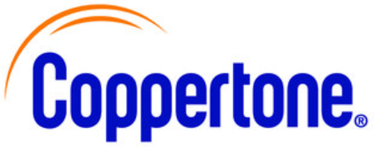

Promo #08787 |  | 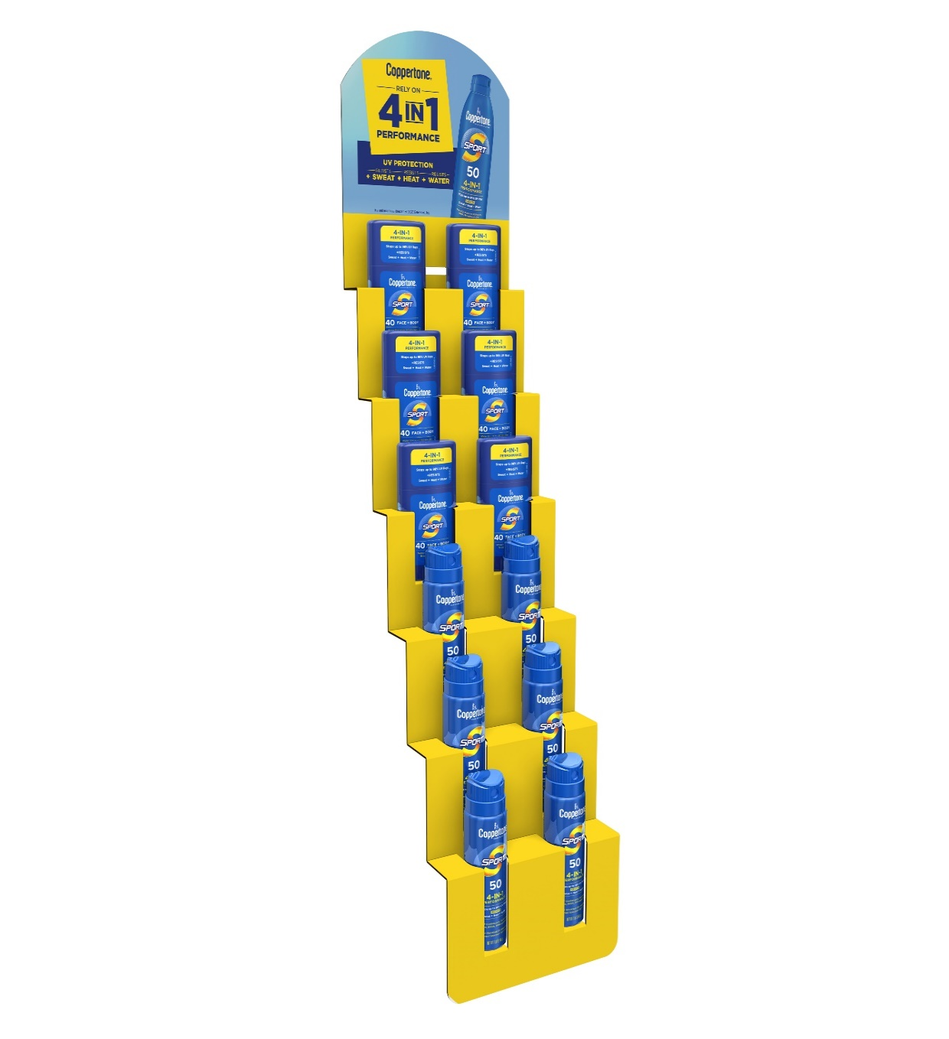
 | CP SPR_STK_SPRY CLSTRP_2025_12PC
 | Description |  |  |  |  |  |  |  |  |  |  |  |  | Regular Cost
 |  |  | UPC # |  | GTIN # |  | Size | Quantity |  | Inner Pack |  | Case Pack |  | Case | DZ | Unit
 | COPPERTONE CP SPR_STK_SPRY CLSTRP_2025_12PC Contents: |  | Case: | 072140032845 | Case: | 00072140032845 |  | 12 |  | n/a |  | 1 display/12pcs of product |  | $62.40 | -- | --

 |  | Coppertone Sport Spray SPF 50 1.6oz | Item: | 072140029111 | Item: | n/a |  | 6
 |  | Coppertone Sport Stick SPF 40 1.5oz | Item: | '072140031091 | Item: | n/a |  | 6

 | Description / UPC #0-72140- |  |  |  |  |  | Inner Pack |  | Display Set Up |  | Package |  | Case | Palletization
 |  |  | Case Dimensions Inches (LxWxH) |  |  | Case Weight (lbs.) | Dimensions (LxWxH) |  | Dimensions (LxWxH) |  | Size (inches) L-R, F-B, HT |  | Cube Ft. | Cases/ Layer | # Layers | Cases/ Skid
 | CP SPR_STK_SPRY CLSTRP_12PC / 03284 5 |  | 29.5 x 7.813 x 4.188 |  |  | 3.7 | N//A |  | 6.875 x 3.250 x 35.750 |  | N/A |  | 0.56 | 6 | 11 | 66

 | Ref 02 XM240270

