Foglio1
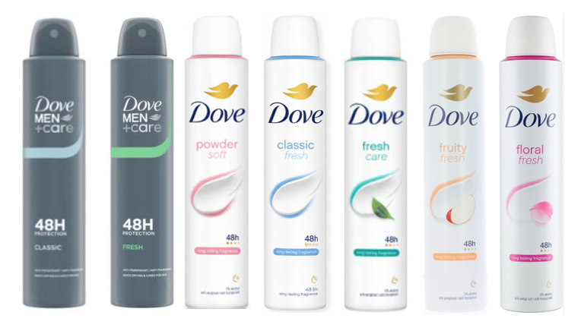
SKU | Barcode | Description | price fob nj 3weeks | Cases Available | Pcs/Case | Cases/Layer | Cases/PL | Text
DVE01083 | 8720181287831 | DOVE DEO SPRAY 200ML CLASSIC | $$2.75 | >10.000 | 6 | 64 | 384 | IT/EE/LT/LV/PL/UK/IE
DVE01090 | 8720181323942 | DOVE DEO SPRAY 200ML FLORAL | $$2.75 | >10.000 | 6 | 64 | 384
DVE01091 | 8720181287855 | DOVE DEO SPRAY 200ML FRESH CARE | $$2.75 | >10.000 | 6 | 64 | 384 | IT/EE/LT/LV/PL/FR/UK/IE
DVE01092 | 8720181443619 | DOVE DEO SPRAY 200ML FRUITY | $$2.75 | >10.000 | 6 | 64 | 384
DVE01088 | 8720181295584 | DOVE DEO SPRAY 200ML MEN CLASSIC | $$2.75 | >10.000 | 6 | 64 | 384 | IT/EE/LT/LV/PL/ES
DVE01087 | 8720181295577 | DOVE DEO SPRAY 200ML MEN FRESH | $$2.75 | >10.000 | 6 | 64 | 384 | IT/DK/FI/LV/PL/SE/UK/IE
DVE00918 | 8720181347252 | DOVE DEO SPRAY 200ML POWDER SOFT | $$2.75 | >10.000 | 6 | 64 | 384 | IT/PL/RO/MD/UK/IE/BE/FR/BE/NL/D/FR
DVE01131 | 8720181347122 | DOVE DEO SPRAY 200ML(I)GO FRESH CETRIOLO | $$2.75 | 1506 | 6 | 64 | 384 | FR

